Products
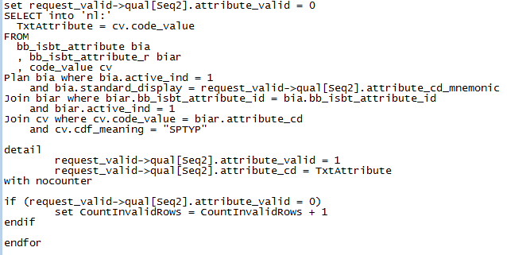
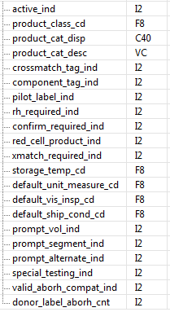
Existing Script Name: |  | bbt_add_product_category | Priority: | 2 | Resource: |  | Request Structure: | bbt_add_product_category | Request Structure: | bbt_chg_product_category
 |  | bbt_add_product_index
 |  | bbt_chg_product_category

Notes: |  |  |  |  |  | Comments:
1. Define record structures |  |  |  |  |  | Consolidate if possible (I'm not sure screen shots are accurate I pulled some from Crmspy and some from Script Explorer). I'm thinking we will need one request for adding and changing products and one for adding and changing categories. We will also need two temp record structures that match the request and a validation record structure where the data is initially written to when executing the program. |  |  | 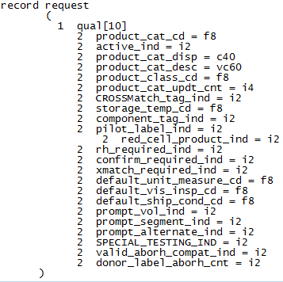
2. Load data into record structures (each bit of data in their own record structure). CNVTUPPER converting will need to happen at this point. Each _ind value will be entered as either "Y", "Yes", "N" or "No". The program will need to convert each of these responses as 1 or 0 respectively (active_ind will always be 1). product_class_cd will need to be acquired by joining code_value (code set 1606) to product_index and qualify based on the mnemonic supplied by the csv file |  |  |  |  |  | Each additional _cd will also need to be compared to their appropriate code sets default_unit_measure = 54, default_vis_insp_cd = 1655, default_ship_cond_cd = 1600. They also need to be validated that they exist. An example of how this was done to ensure the values existed and acquire code values is shown below (Example 1). If any code values do not exist in the system then the program needs to fail out and log the data to a .dat file
3. Determine whether product categories already exist in the system |  |  |  |  |  | This needs to happen within a loop. After each write to the table the system needs to re-validate that the data does/does not exist. Item 9 and 10 need to be done within a select distinct. There may be 500 items in the record structure being validated. Of those 500 lines, there may be 10 max unique product category parameters. The data is being validated on the front end to ensure all parameters are the same for ever single line. Therefore, the first product category's parameters will identically match the 50th.
4. If the product category already exists then the data stored in the record structure needs to be compared with what is already in the system. If the data is the same, then the program can ignore and write nothing, but if the data is different then the data from the record structure needs to be written to the table. execute bbt_chg_product_category |  |  |  |  |  | The justification of doing this and not failing out is that there is a lot of start content that already exists that a lot of clients use as default. If we failed this out then product category would have to be build manually
4. If the product category does not exist then execute bbt_add_product_category |  |  |  |  |  | End loop. The temp record structures need to be implemented here. The temp record structure needs to be the structure sent in the execute statement. Both the temp and the request record structure need to be written to, but after executing, the temp needs to be freed. The reasoning behind this is that the request record structure is actually only going to be used to store what exactly was written so it can be logged at the end of execution for reporting and quality purposes. If the program looped and passed this request, the first time it would contain 1 item, the second time it would contain 2 etc thus duplicating data on the table. The purpose of the temp record structure is to write only the validated line and then purge itself.
5. Begin next loop, validate that each product category in the record structure exists and that the product does not exist (as active). If product exists as inactive gather the product_cd |  |  |  |  |  | The product_cat_cd needs to be populated at this time
6. If the product exists as inactive execute bbt_modify_product_index |  |  |  |  |  | The justification of doing this is that there is a lot of start content that already exists that a lot of clients use as default. If we failed this out then all products that are already loaded into the database as inactive (1000+) would have to be built manually.
7. If product does not exist then execute bbt_add_product_index |  |  |  |  |  | The same concept described above with the temp record structure applies here as well | Request Structure: | bbt_add_product_index | Request Structure: | bbt_modify_product_index
this item will not be sent from the csv file, so there is some scenario where this is 0 or 1. Further investigation on this later |  |  |  |  |  | find out how donor_label_aborh_cnt is populated from front end
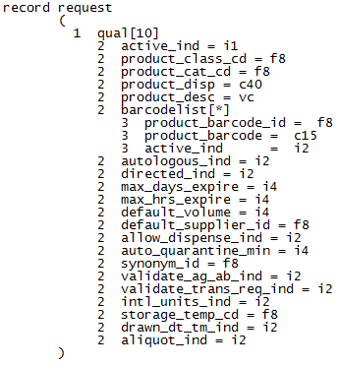
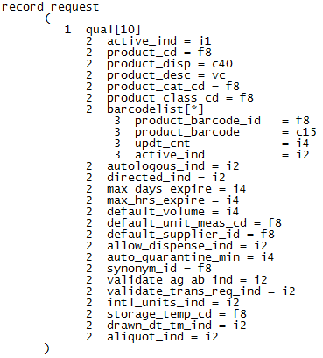
8. Once all data has been validated (or if anything in step 2 fails out) those items need to be logged to a .dat file so the user can compare what was built with data collection. See example script attached.
9. Output to user completion of uploading. See example script attached.
10. If you look at any of the standard scripts included, the updt_id, updt_cnt and application context is supplied via reqinfo record structure. If it is possible, this needs to be passed in as well form the user executing the program. See attached discussion regarding where this can potentially be pulled from and whether the end user has to actually log in (this script is executed from the back end)

 | ex 1

